atomic percentage
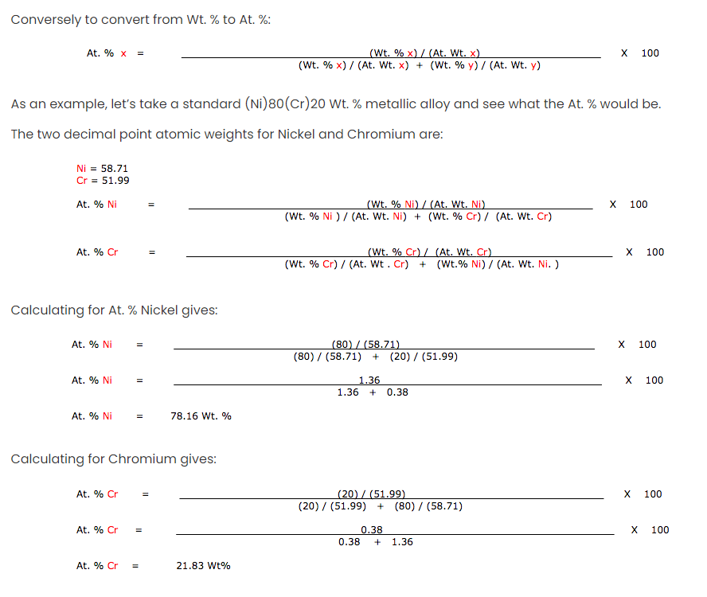

 | Elements | atomic mass | Alloy | Fe | Ni | Cr | Mo | Cu | Mn | Si | TOTAL
 | Fe | 55.845 | SS316L | 68.57 | 10.24 | 16.36 | 2.13 | 0.38 | 1.79 | 0.53 | 100
 | Ni | 58.693 | at.% | 68.315987445 | 9.7070249107 | 17.50595711 | 1.2755818674 | 0.33271154731 | 1.8128116429 | 1.0499254763 | 100 | 98.950074524
 | Cr | 51.996
 | Mo | 92.906
 | Cu | 63.546
 | Mn | 54.938
 | Si | 28.086

 |  | SS316L
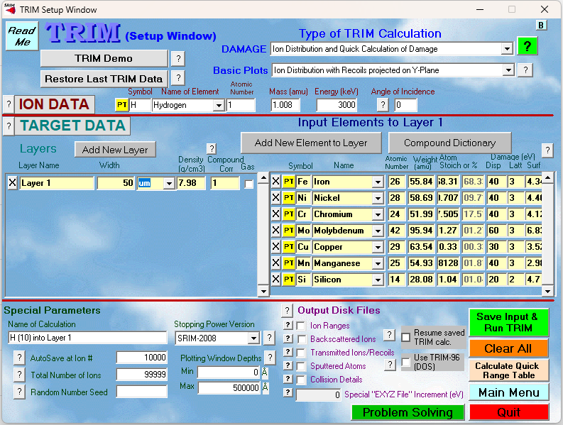
2.3x10-5

